1. Title Page
[Project Name]

Project Name: Instacart Grocery Basket Analysis
Date: 12/10/2023
Analyst Name: Angitha Kolpurath Jaiker

Contents:
Population Flow
Consistency checks
Wrangling steps
Column derivations
Visualizations
Recommendations

2. Population Flow
Title page

Population flow

Exclusion flag
Condition: max_order < 5
Obervations to be removed: 1440295
Final total count of order_products_all: 32434212 x 35

Orders_products_combined
Orders_products_merged
Orders_products_all

Total: 32434489 x 10
Total: 32434212 x 15
Total: 32434212 x 35

1.) The grey boxes in the first row of the population flow represent the original data sets as they were when you downloaded them. In the Total fields you need to add the count of the rows when you imported the data set into Jupyter.
2.) The second row of boxes (coloured) represents the data sets after you manipulated them, e.g., removed missing values and duplicates. In the Total fields you need to add the count of the rows after conducting these operations. This offers a visual oveview of how the data flows throughout the data consistency checks.
3.) The third row, where also the arrows are coloured, represents the merges you performed between the datasets. In the Total fields you need to add the count of the rows in the merged datasets, so that you end up with the final dataset (in the red box). Keep in mind the final dataset should be without exclusions (based on the exclusion flag).

3. Consistency checks
 |  |  |  | Title page
Consistency checks

Dataset | Missing values | Missing values treatment | Duplicates
orders
products | product names | removed the data from the set | duplicate values were removed
orders_products_prior | Null days since last order | changed to 0
customers | first name | no change made

4. Wrangling steps
 |  |  |  | Title page
Wrangling steps

Columns dropped | Columns renamed | Columns' type changed | Comment/Reason
eval_set |  |  | Was not needed for our project.
date_joined |  |  | Was not needed for our project.
first_name |  |  | Violated PII restrictions.
last_name |  |  | Violated PII restrictions.
 | order_dow : order_day_of_week |  | For better clarity.
 | days_since_prior_order : days_since_last_order |  | For better clarity.
 | First Name : first_name |  | To adhere to naming conventions.
 | Surnam : last_name |  | To adhere to naming conventions.
 | Gender : gender |  | To adhere to naming conventions.
 | STATE : state |  | To adhere to naming conventions.
 | Age : age |  | To adhere to naming conventions.

5. Column derivations
 |  |  |  |  |  | Title page

Column derivations and aggregations

In this tab you should add tables below that the frequences of flags/label variables that you produced after deriving them. NB: don't do this for continuous variables, only for flags.
Dataset | New column | Column/s it was derived from | Conditions
ords_prods_merged | price_range_loc | price | prices > 15 = 'High-range product', prices < 5 & =<15 = 'Mid-range product", prices < 5 = 'Low-range product'

 |  |  |  | Column1 | price_range_loc
 |  |  |  | Mid-range product | 21860860
ords_prods_merged | busiest_day | orders_day_of_week | based on total orders on each day of the week. | Low-range product | 10126321
ords_prods_merged | busiest_days | orders_day_of_week |  | High-range product | 417678
ords_prods_merged | hour_busyness | order_hour_of_day
ords_prods_merged | max_order | user_id and customer_id
ords_prods_merged | loyalty_flag | max_order | > 40 Loyal customer 40 - 11 Regular customer <= 10 New customer

 |  |  |  | Column1 | loyalty_flag
 |  |  |  | Regular customer | 15876776
ords_prods_merged | median_days_since_last | user_id and days_since_prior_order |  | Loyal customer | 10284093
ords_prods_merged | purchase_frequency | median_days_since_last | >20 non-frequent shopper >10 to <= 20 regular shopper <=10 frequent shopper | New customer | 6243990

 |  |  |  | Column1 | purchase_frequency
 |  |  |  | Frequent customer | 21559853
ords_prods_merged | mean_price | user_id and prices |  | Regular customer | 7208564
ords_prods_merged | spend_flag |  | mean_price < 10 = low spender mean_price >- 10 high spender | Non-frequent customer | 3636437

 |  |  |  | Column1 | spend_flag
orders_products_cust | age group | age |  | Low Spender | 31770614
orders_products_cust | order_act | max_order | <5 low >=5 high | High Spender | 634245

 |  |  |  | Column1 | order_act
orders_products_cust | region | state |  | high | 30964564
orders_products_cust | age_group | age | <33 = young 34 - 64 middle aged 65+ older | low | 1440295

 |  |  |  | Column1 | age group
 |  |  |  | Middle Age | 16203962
 |  |  |  | Older | 8575084
 |  |  |  | Young | 7625813

6. Visualizations
 | Title page

Visualisations

In this tab you should include all the visualtions from Exercises 4.9 and 4.10, alongside the questions from the project brief that they answer. Include any commentary on the relationship between different variables.

Q1:

The sales team needs to know what the busiest days of the week and hours of the day are (i.e., the days and times with the most orders) in order to schedule ads at times when there are fewer orders.

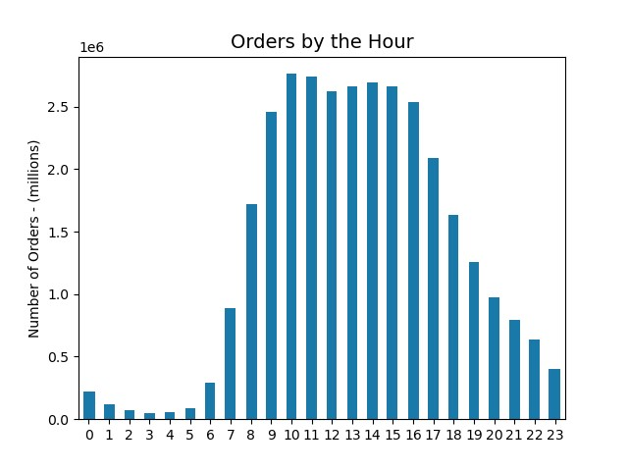
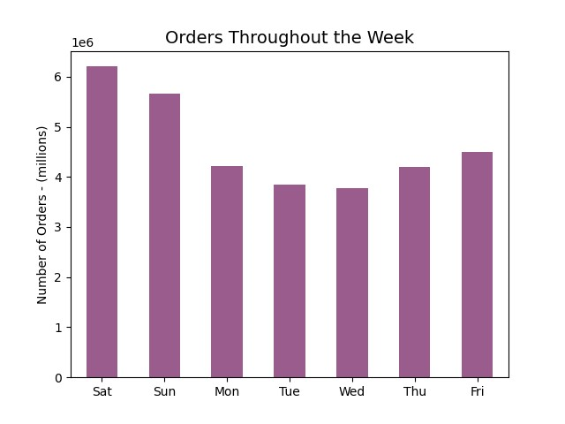

Insights:

Based on the data, Saturday and Sunday have the highest amount of order activity. Of note, orders are at their lowest in the middle of the week and start picking up after that. In terms of the busiest time of the day, 10AM is the hour when the most orders come in. With that said, the hours of 10AM – 4PM have relatively similar amounts of orders and comprise most of the activity on the app. Orders start to slow down around 5PM and continue to do so until midnight. The hours of 12AM – 7AM make up the lowest amount of activity on the app. Orders then start to pick up again around 8AM.

Q2:

They also want to know whether there are particular times of the day when people spend the most money, as this might inform the type of products they advertise at these times.

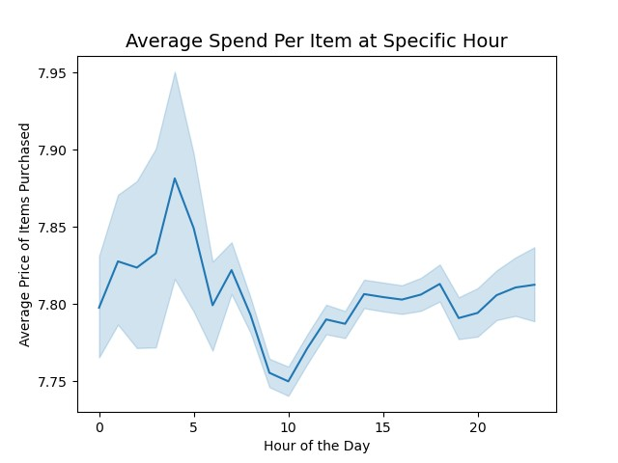
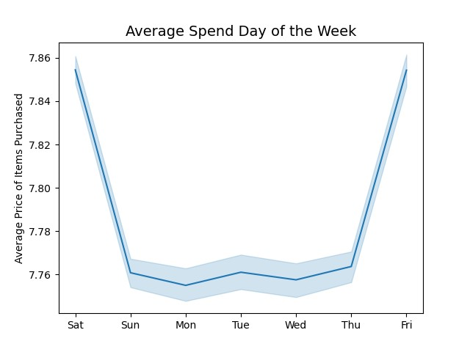

Insights:

There does not appear to be any significance in either chart in relation to higher spending on a specific day of the week, or hour of that day. While there are fluctuations, the scale of the difference is only $0.01 - $0.11 for each item purchased.

Q3:

Instacart has a lot of products with different price tags. Marketing and sales want to use simpler price range groupings to help direct their efforts.

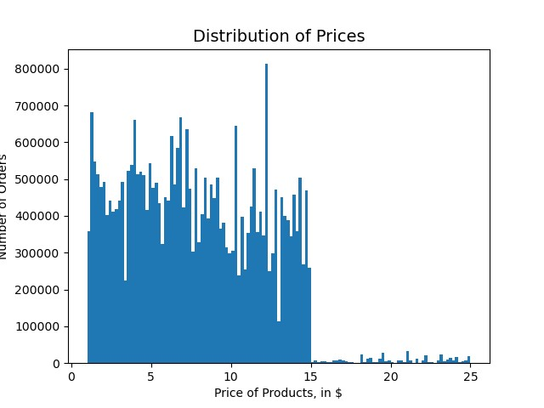
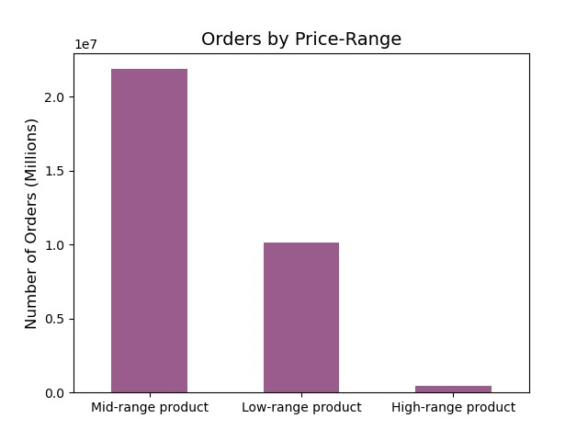

Insights:

Most orders fall into the $15.00 and under category. For this project, the “Price Range” label was created – so that products could easily be identified and categorized by that label’s definition. In this case, anything under $5.00 is considered a “Low-range product”. Items between $5.00 and $15.00 are considered “Mid-range products”. This leaves any items over $15.00 to be labeled as “High-range products”.

Q4:

Are there certain types of products that are more popular than others? The marketing and sales teams want to know which departments have the highest frequency of product orders

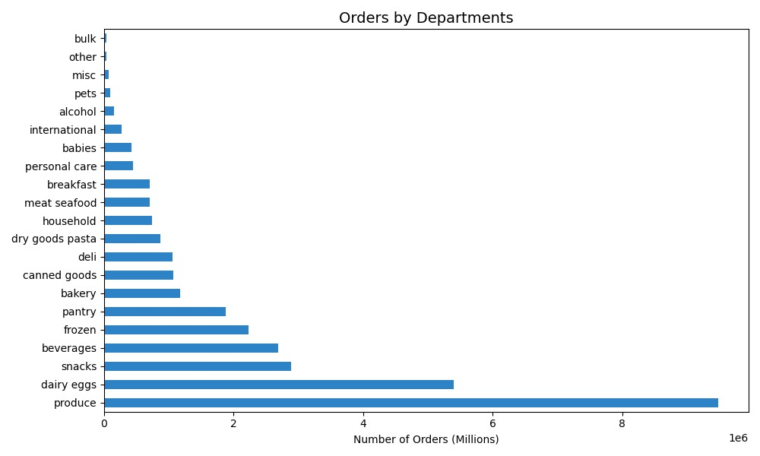

Insights:

Products from the “Produce” department are by far the most popular. Following behind that, slightly over half its level of demand, would be “Dairy / Eggs”. The “Snacks”, “Beverages”, and “Frozen” categories make up the rest of the overall purchases. Of note, “Produce”, “Dairy” and “Eggs” can be considered essential goods, while “Snacks”, “Beverages”, and “Frozen” products often fall into the junk food type categories.

Q5.A:

What's the distribution among users in regards to their brand loyalty (i.e. how often do they return to instacart)?

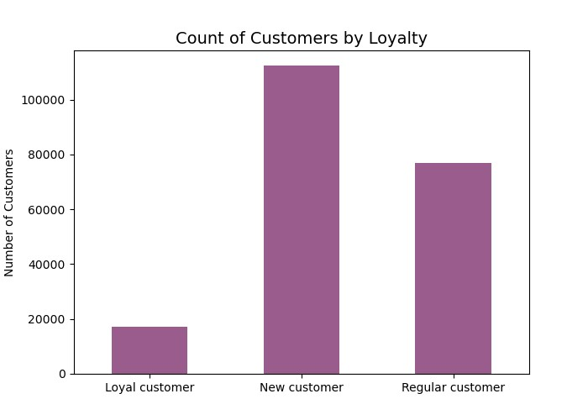

Insights:
Most of our users’ loyalty levels can be considered “New customers”. These users will make an initial order with Instacart, but their subsequent orders are often 20 days after that, on average. Our “Regular customers” comprise the second largest group of our users. These are users who make an initial purchase and then a follow up one within 10 to 20 days after, on average. Finally, our “Loyal customers” are those who make a purchase less than 10 days after their previous one, on average. They make up the lowest population of our user base.

Q5.B:

Are there differences in ordering habits based on a customer's loyalty status?

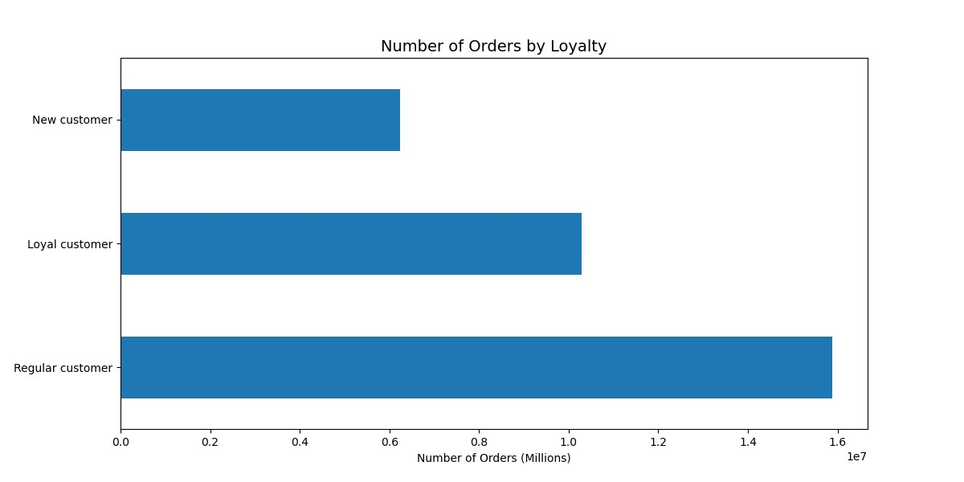

Insights:
While “New customers” make up much of our user base, our “Regular customers” comprise over 50% of our orders. Our “Loyal customers” are relatively low population-wise, but they make up almost 33% of our orders. Our “New customers” come in at under 20% of our orders.

Q5.C:

Are there differences in ordering habits based on a customer's region?

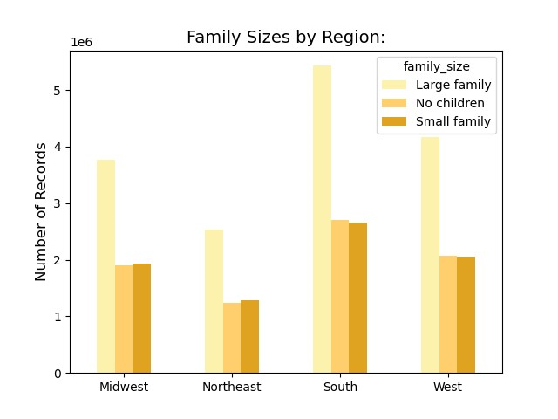
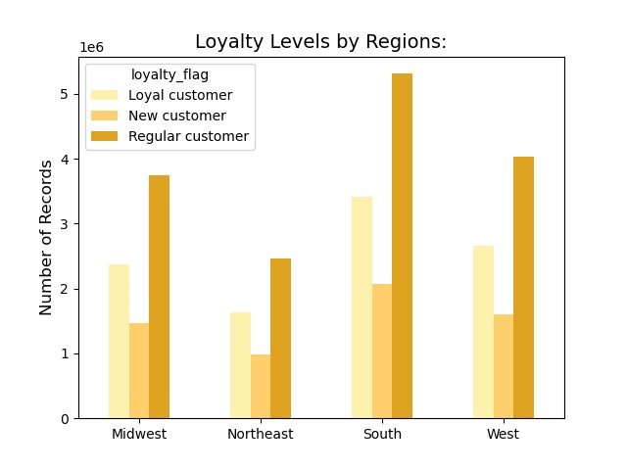

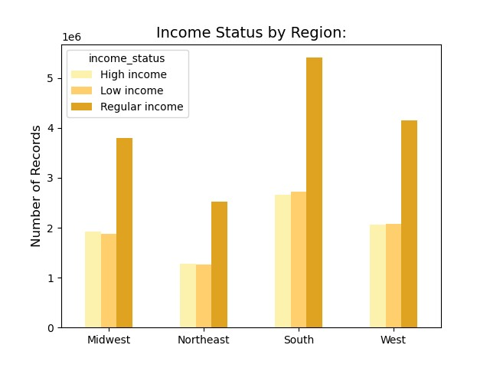
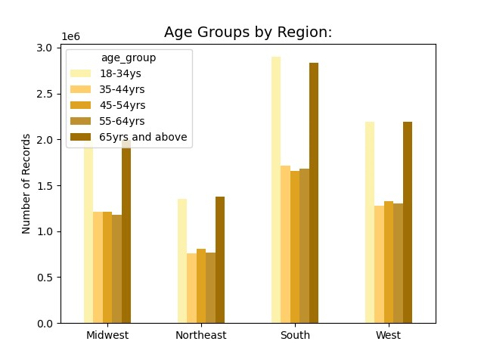

Insights:

Depending on the region, the number of orders fluctuates, but their patterns among various customer labels are consistent. Larger sized families place more orders than small sized families or those with no children. While there are more orders in the southern region, larger families maintain the same ratio of orders throughout the other regions. The same is true throughout each graph. “Regular customers” have more orders than both “Loyal” and “New customers”, as we saw in the previous section. While we can see the distribution of users and their number of orders, one thing remains clear. The region does not affect or change our users’ behaviors and they are consistent despite their location.

Q5.D:

Is there a connection between age and family status in terms of ordering habits?

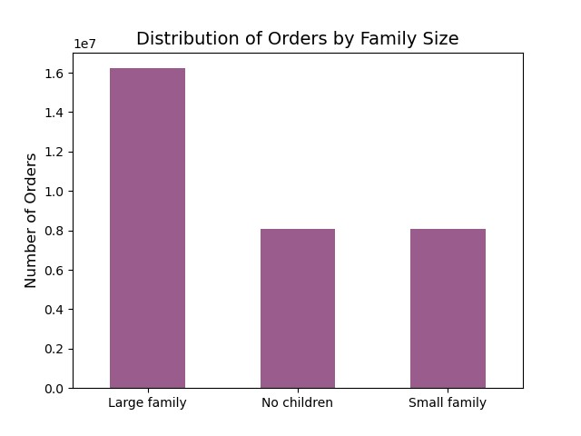
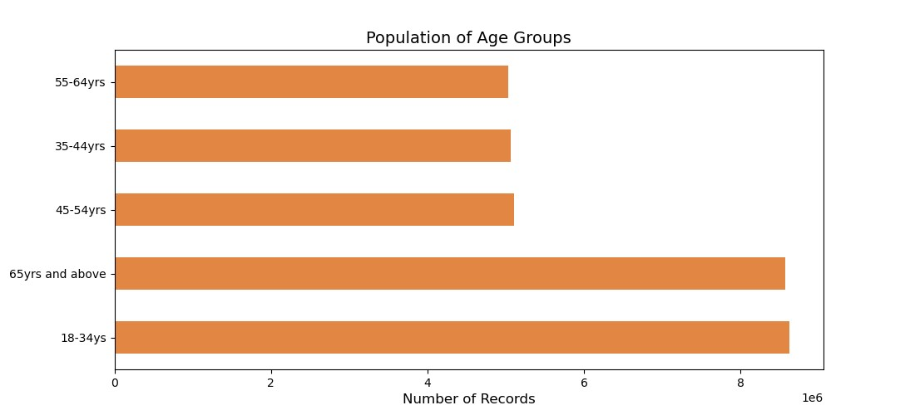

Insights:

We can observe a substantially higher number of orders from both the 18-34yrs and 65yrs+ groups. Of note, both these groups are our upper and lower quartiles as well. While the ages in between make up a larger number of total orders, we do not see any behavior difference whether a user is 35 or 64yrs old and any age in between. Larger families, those with 2 children or more, have double the number of orders when compared to those who have no children or only 1 child.

Q5.E:

What different classifications does the demographic information suggest?

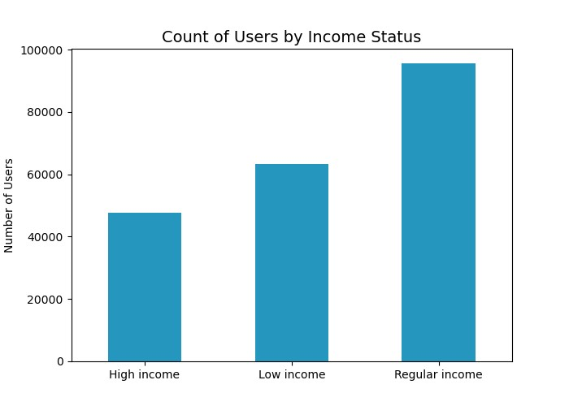
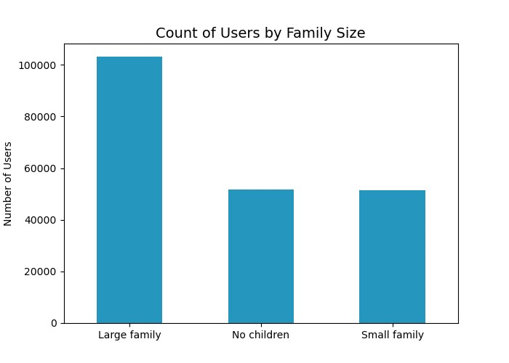

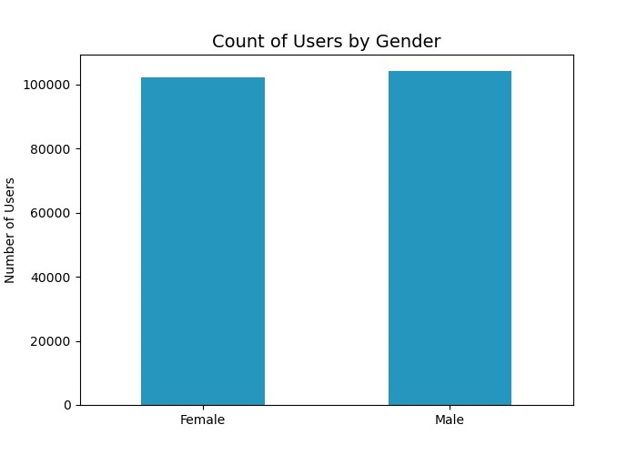
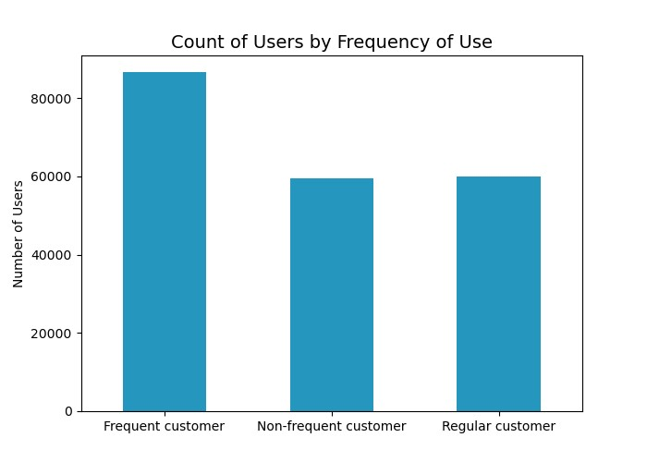

Insights:
Looking at the distribution of our users, we can see a few key factors. Many of our users come from larger families, having 2 or more children, and receive an income within the range of $55k-$120k. Most of our users are frequent customers, meaning they make a subsequent order through the app within 10 days of their previous purchase. Of note, we have an even distribution of male and female users.

Q5.F:
What differences can you find in ordering habits of different customer profiles?

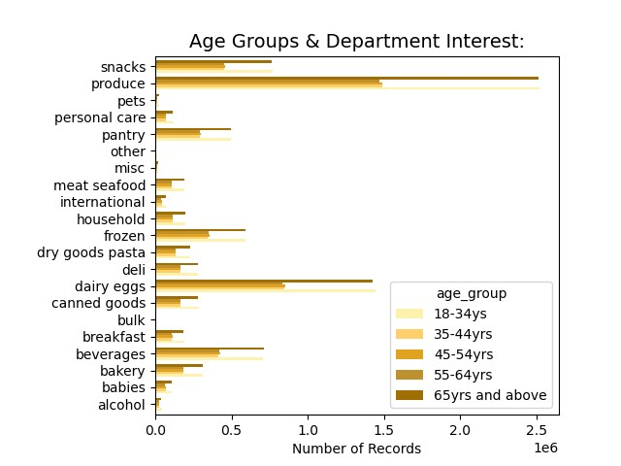
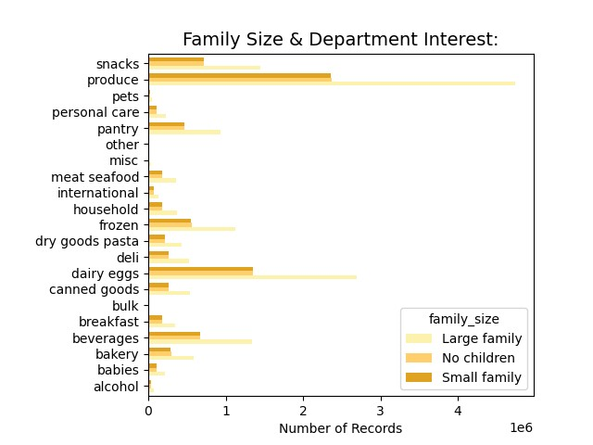

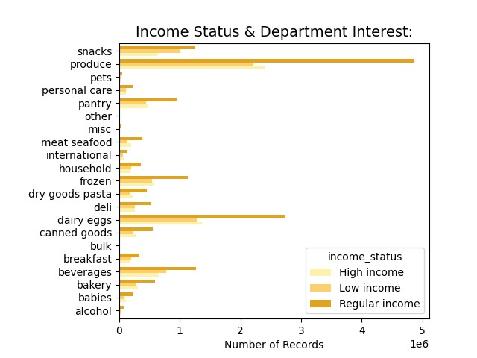
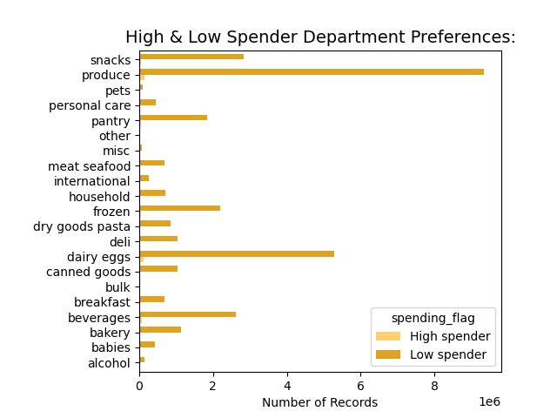

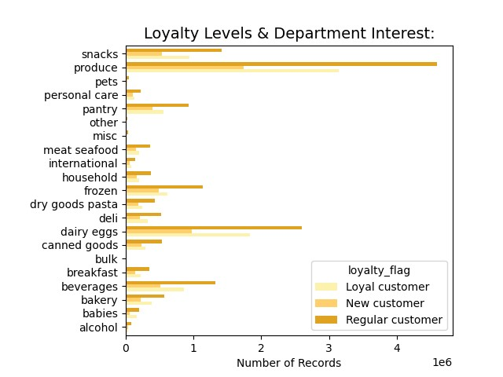

Insights:
Throughout various customer labels, whether its differences in income, family sizes, loyalty status, age, or spending habits; the observations remain the same and consistent. Priority is placed on produce, dairy, and eggs first and foremost. Those are the most popular categories by a large margin. Outside of that, the snacks, beverages, and frozen foods round up the popular departments. More personal items such as pets, personal care items, baby supplies, alcohol, and bulk items are the least popular and are not in high demand.

7. Recommendations
 |  | Title page

Recommendations

In this tab you should include any recommendations you would made to Instcart in terms of their marketing strategy based on the questions posed in the brief. Every key question has been covered in the Tasks of the Exercises - here you need to add an item - a visualisation or table/crosstable that is showing the answer in the data, acompanied by a comment from you. Please, list the questions below and add the answer underneath.

Question | Answer
Key Question 1: What are the busiest days of the week and time of the day? | The busiest days of the week are Friday through Sunday with peak hours being 9-5 advertising during the off-peak times or offering off peak deals could increase business during the slower times

Key Question 2: What time of the day is the most money spent? | The most money is spent between 9 and 5. This tracks with when the most orders are placed. Following a similar strategy could help drive sales.

Key Question 3: Marketing and sales want to use simpler price range groupings to help direct their efforts. | Most products sales fall in the $5-$15 price range. Focusing on products in these price range could help improve underperforming categories

Key Question 4: Are there certain types of products that are more popular than others? | Produce and dairy/eggs are the 2 most popular product categories. These are closely followed by snacks, beverages, and frozen food.

Key Question 5: What’s the distribution among users in regards to their brand loyalty (i.e., how often do they return to Instacart)? | Regular customers, those who have placed between 10 and 40 orders, make up the larget group of users, 49%.

Key Question 6: Are there differences in ordering habits based on a customer’s loyalty status? | Regular customers purchse more than other loyalty groups. Targeting new customers, those who have placed 10 or fewer orders, with special discounts could encourage them to become regular customers.

Key Question 7: Are there differences in ordering habits based on a customer’s region? | The south has a higher purchase rate than the other regions. Continue to provide products that are popular in that region while updating offerings that are popular in the poorer performing regions.

Key Question 8: Is there a connection between age and family status in terms of ordering habits? | Married customers tend to order more than any other group. Those customers living with parents is the smallest, probably because someone else in the househould is already ordering. Ads targeting single and divorced/widowed, particularly showing the ease of use, could be a good way to expand that demographic.

Key Question 9: What different classifications does the demographic information suggest? Age? Income? Certain types of goods? Family status?

Key Question 10: What differences can you find in ordering habits of different customer profiles? | Regular customers make up the largest group of customers. They tend to spend more money on products and purchase more when they shop

